Prototype Model
Prototype Description | Medium Office Building (0300CZ-OffMed) | Large Office Building (0400CZ-OffLrg) | Retail Medium (0500CZ-RetlMed)
Vintage | New Construction | New Construction | New Construction
Location | CZ-6/16 | CZ-7/6/16 | CZ-6/7/15
Fuel Type | gas, electricity | gas, electricity | gas, electricity
Total Floor Area (sq feet) | 53600 (163.8 ft x 109.2 ft) | 498,600 (240 ft x 160 ft) | 24695 (178 ft x 139 ft)
Building shape | 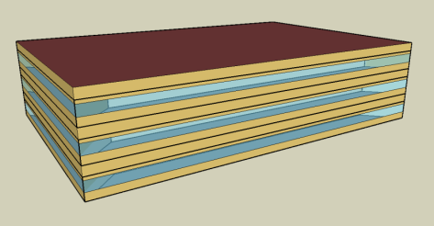
Aspect Ratio | 1.5 | 1.5 | 1.28
Number of Floors | 3 | 13 (Including basement) | 1
Window Fraction (Window-to-Wall Ratio) | 33% (Window Dimensions: 163.8 ft x 4.29 ft on the long side of facade 109.2 ft x 4.29 ft on the short side of the façade) | 40% of above-grade gross walls 37.5% of gross walls (including the below-grade walls) | 7.1% (Window Dimensions: 82.136 ft x 5 ft, 9.843 ft x 8.563 ft and 82.136 ft x 5 on the street facing facade)
Window Locations | evenly distributed along four façades | evenly distributed along four façades | Windows only on the street facing façade (25.4% WWR)
Shading Geometry | none | none | none
Azimuth | non-directional | non-directional | non-directional
Thermal Zoning | Perimeter zone depth: 15 ft. Each floor has four perimeter zones and one core zone. Percentages of floor area: Perimeter 40%, Core 60% | Perimeter zone depth: 15 ft. Each floor has four perimeter zones and one core zone. Percentages of floor area: Perimeter 33%, Core 67% | Five thermal zones Refer StandAloneRetailArea for details
Back_Space
Core_Retail
Front_Entry
Point_of_Sale
Front_Retail
Floor to floor height (feet) | 13 | 13, Basement - 8 | 20
Floor to ceiling height (feet) | 9 (4 ft above-ceiling plenum) | 9 | 20 (Core retail, Front Entry) 15 (Point of Sale, Front Retail, Back Space)
Glazing sill height (feet) | 3.35 ft (top of the window is 7.64 ft high with 4.29 ft high glass) | 3 ft | 3.74 ft (top of the window is 8.73 ft high with 5 ft high glass)
Exterior walls
Construction | Metal Framed Wall | Metal Framed Wall | Metal Framed Wall
Construction Assembly Layers | Refer MetalFrameWall / Metal Framed Wall | Refer MetalFrameWall / Metal Framed Wall | Refer MetalFrameWall / Metal Framed Wall
 |  | Refer BasementWall
U-factor (Btu / h * ft2 * °F) and/or R-value (h * ft2 * °F / Btu) | 0.062 | Exterior Wall U: 0.062 | 0.062
Roof
Construction | Roof | Roof | Roof
Construction Assembly Layers | Refer Roof | Refer Roof | Refer Roof
U-factor (Btu / h * ft2 * °F) | 0.034 | 0.034 | 0.034
Aged Solar Reflectance Aged Thermal Emittance | 0.08 0.75 | 0.08 0.75 | 0.08 0.75
Tilts and orientations | Horizontal | Horizontal | Horizontal
Window
Glass-Type and frame | Fixed vertical window with U-value and SHGC as specified. | Fixed vertical window with U-value and SHGC as specified. | Fixed vertical window with U-value and SHGC as specified.
U-factor (Btu / h * ft2 * °F) | 0.36 | 0.36 | 0.36
SHGC | 0.25 | 0.25 | 0.25
Visible transmittance | 0.42 | 0.42 | 0.42
Operable area | 0 | 0 | 0
Skylight | NA | NA
Dimensions |  |  | Skylight to Roof Ratio- 2.07 % Core Retail, Refer Skylight Layout for details
Glass-Type and frame |  |  | Glass, curb mounted skylight with U-value and SHGC as specified.
U-factor (Btu / h * ft2 * °F) |  |  | 0.58
SHGC |  |  | 0.25
Visible transmittance |  |  | 0.49
Foundation
Foundation Type | Slab Floor F-factor method | Slab Floor F-factor method | Slab Floor F-factor method
Construction | Unheated Slab on Grade with 12 in Horizontal R-5 Insulation | Unheated Slab on Grade with 12 in Horizontal R-5 Insulation | Unheated Slab on Grade with 12 in Horizontal R-5 Insulation
F factor (Btu / h * ft2 * °F) | 0.72 | 0.72 | F factor= 0.72
Thermal properties for basement walls | NA | Refer BasementWall for detailed description | NA
Interior Surfaces
Construction | Uninsulated Stud Wall Interior Walls, Concrete with carpet for interior floor slabs, 3/4 in Acoustic celing tile for Drop ceiling | Uninsulated Stud Wall Interior Walls, Concrete with carpet for interior floor slabs, 3/4 in Acoustic celing tile for Drop ceiling | Uninsulated Stud Wall Interior Walls, Concrete with carpet for interior floor slabs, 3/4 in Acoustic celing tile for Drop ceiling
Construction Assembly Layers | Interior wall Interior Floor Drop Ceiling | Interior wall Interior Floor Drop Ceiling | Interior wall
Air Barrier System
Infiltration | 0.0448 cfm/sf of above grade exterior wall surface area (when fans turn off) | 0.0448 cfm/sf of above grade exterior wall surface area (when fans turn off) | 0.0448 cfm/sf of above grade exterior wall surface area
HVAC System Type
System Type | Packaged VAV with hot-water reheat with one system per floor serving all zones in the floor | VAV with hot-water reheat with one system per floor serving all zones in the floor | Indirectly Conditioned Front_entry, Packaged single zone air conditioning unit for other zones.
Heating type | Gas condensing boiler | Gas condensing boiler | Unconditioned for front_entry. Gas furnace inside the packaged air conditioning unit for all others.
Cooling type | Direct Expansion | Water cooled Centrifugal chillers (2) | No cooling for front_entry. Packaged air conditioning unit for all others
Distribution and terminal units | VAV terminal box with damper and hot-water reheating coil with Dual maximum control logic. Zone control type: minimum supply air at 20% of the zone maximum air flow rate. | VAV terminal box with damper and hot-water reheating coil with Dual maximum control logic. Zone control type: minimum supply air at 20% of the zone maximum air flow rate. | Constant air volume air distribution 4 single-zone roof top units serving thermal zones back_space, point_of_sale, core_retail, and front_retail.
HVAC Sizing
Cooling | Refer Sizing Values | Refer Sizing Values | Refer Sizing Values
Heating | Refer Sizing Values | Refer Sizing Values | Refer Sizing Values
HVAC Efficiency
Cooling | EER-11.00, IEER-12.4 (Bottom VAV, Mid and Top VAV). Note: EER, COP includes fan heat | 0.585 kw/ton, 0.380 IPLV | EER-11.20, IEER- 12.9 (BackSpace/Core Retail) EER-11.20 SEER-13.0 (Point of Sale) EER-11.20 SEER-13.6 (Front Retail) Indirect Heating and Cooling for front_entry) Note: EER, COP includes fan heat
Heating | 80% | 80% | 82%
HVAC Control
Thermostat Setpoint | 75°F Cooling/70°F Heating | 75°F Cooling/70°F Heating | 75°F Cooling/70°F Heating
Thermostat Setback | 85°F Cooling/60°F Heating | 85°F Cooling/60°F Heating | 85°F Cooling/60°F Heating
Design Supply air temperature | Cooling 55F Heating 95 F | Cooling 55F Heating 95 F | Cooling 55F Heating 95 F
Supply air temperature reset | SAT reset by warmest zone airflow first (Reset Supply high: 60 F, reset supply low: 55F) | SAT reset by warmest zone airflow first (Reset Supply high: 60 F, reset supply low: 55F) | No SAT Control
Zone control | DDC at zone level and Dual Max Reheat control | DDC at zone level and Dual Max Reheat control | CO2 sensor
Chilled water supply temperatures | NA | 44°F | NA
Chilled water return temperatures | NA | 64°F | NA
Chilled water supply temperature reset | NA | Fixed | NA
Condenser Type | NA | Water-cooled, no reset | NA
Hot water supply temperatures | 180°F | 180°F | NA
Hot water supply temperature reset | Fixed | Fixed | NA
Economizers | Differential Dry bulb economizer (Integrated), 80 F High DB lockout | Differential Dry bulb economizer (Integrated), 80 F High DB lockout | Differential Dry bulb economizer (Integrated), 80F high DB lockout
Ventilation | Max of 15 cfm/person, 0.15 cfm/ft2, | Max of 15 cfm/person, 0.15 cfm/ft2, | Back Space - Max of 15 cfm/person or 0.15 cfm/ft2 Point of Sale & Core and Front Retail -Max of 15 cfm/person or 0.20 cfm/ft2
Supply Fan
Fan type | Variable Volume | Constant volume for Basement, Variable Volume for all others | Constant Volume for all Conditioned zones
Supply Fan Total Efficiency (%) | 65% | 65% (for all VAV fans) | 60% (all fans)
Fan Motor Efficiency | 95.0% | 95% | 90% (all fans)
Supply Fan Pressure Rise | 4 inch H2O | 4 inH2O | 2.5in H2O (all fans)
Pump
Pump Type | HW: Constant Speed | HW: Constant Speed variable flow, Cooling Tower:Constant Speed, CHW: Variable Primary | NA
Rated Pump Head | HW: 50 ft H20 | HW: 40 ft H20 Cooling Tower: 40 ft H20 Chiller Pumps: 60 ft H20 | NA
Pump Efficiency | Motor efficiency- HW: 0.9 | 0.9 | NA
Cooling Tower
Cooling Tower Type | NA | open cooling tower with variable speed fan | NA
Tower range | NA | 10F delta T | NA
Service Water Heating
SWH type | Storage Tank | Storage Tank | Tank
Fuel type | Natural Gas | Natural Gas | Natural Gas
Efficiency | EF: 0.637, Recovery Eff: 0.780 | TE: 80% | EF: 0.637, Recovery Eff: 0.780
Water temperature setpoint | 135°F | 135 °F | 135°F
Water Heater Max Capacity (Btuh) | 24,949 Btuh | 231,958 Btuh | 32,328 Btuh
Lighting Load
Lighting power density (W/ft2) | 0.75 W/ft2 | 0.75 W/ft2 | Point of sale, Retail-1.2 W/ft2,, Lobby-0.95 W/ft2, Backspace-0.6 W/ft2
Daylighting Controls | Continuous dimming in Primary Daylit areas in Perimeter zones | Continuous dimming in Primary and Secondary Daylit zone in Perimeter zones | Continuous Dimming in Skylit area in Core Retail and in Primary Daylit in Front Entry, Front Retail, Point of Sale
Plug load
Electric power density (W/ft2) | 1.5 W/ft2 | 1.5 W/ft2 | Point of sale, Retail-1.0 W/ft2, Backspace-0.2 W/ft2, Front entry: 0.5 W/ft2
Occupancy
Average people | 10 person / 1000 ft2 x 0.5 Note: 0.5 is the Occupancy Fraction | 10 person / 1000 ft2 x 0.5 Note: 0.5 is the Occupancy Fraction | Point of sale, Retail - 33 person / 1000 ft2 x 0.5 Back Space- 2 person / 1000 ft2 x 0.5 Front Entry - 66.67 person / 1000 ft2 x 0.5 Note: 0.5 is the Occupancy Fraction
Elevator
Quantity | NA | NA | NA
Motor type
Peak Motor Power (W/elevator)
Heat Gain to Building
Peak Fan/lights Power (W/elevator)
Motor and fan/lights Schedules

Zonelvl
LARGE OFFICE
Baseline Case Daylighting | Zone | Prim. Daylit Area [ft2] | Sec. Daylit Area [ft2] | Skylit Area [ft2] | Ref.Pt 1 Location | Ref.Pt 2 Location | Ref.Pt 1 Ctrl Fraction | Ref. Pt 2 Ctrl Fraction | Illum. Setpt in Ref. Pt 1 | Illum. Setpt in Ref. Pt 2
 | Perimeter_ZN_1 | 1901 | 1471 | 0 | X: 119.93 ft, Y: 8.20 ft, Z: 2.50 ft | X: 119.93 ft, Y: 14.75ft, Z: 2.50 ft | 0.563 | 0.436 | 287.5 lux | 287.5 lux
 | Perimeter_ZN_2 | 1239 | 934 | 0 | X: 225.08 ft, Y: 79.95 ft, Z: 2.50 ft | X: 231.65 ft, Y: 79.95 ft, Z: 2.50 ft | 0.570 | 0.429 | 287.5 lux | 287.5 lux
 | Perimeter_ZN_3 | 1901 | 1471 | 0 | X: 119.93 ft, Y: 8.20 ft, Z: 2.50 ft | X: 119.93 ft, Y: 14.75ft, Z: 2.50 ft | 0.563 | 0.436 | 287.5 lux | 287.5 lux
 | Perimeter_ZN_4 | 1239 | 934 | 0 | X: 225.08 ft, Y: 79.95 ft, Z: 2.50 ft | X: 231.65 ft, Y: 79.95 ft, Z: 2.50 ft | 0.570 | 0.429 | 287.5 lux | 287.5 lux

WWR20 Case Daylighting | Perimeter_ZN_1 | 1901 | 1471 | 0 | X: 119.93 ft, Y: 8.20 ft, Z: 2.50 ft | X: 119.93 ft, Y: 14.75ft, Z: 2.50 ft | 0.563 | 0.436 | 287.5 lux | 287.5 lux
 | Perimeter_ZN_2 | 1239 | 934 | 0 | X: 231.65 ft, Y: 79.95 ft, Z: 2.50 ft | X: 225.08 ft, Y: 79.95 ft, Z: 2.50 ft | 0.570 | 0.429 | 287.5 lux | 287.5 lux
 | Perimeter_ZN_3 | 1901 | 1471 | 0 | X: 119.93 ft, Y: 8.20 ft, Z: 2.50 ft | X: 119.93 ft, Y: 14.75ft, Z: 2.50 ft | 0.563 | 0.436 | 287.5 lux | 287.5 lux
 | Perimeter_ZN_4 | 1239 | 934 | 0 | X: 231.65 ft, Y: 79.95 ft, Z: 2.50 ft | X: 225.08 ft, Y: 79.95 ft, Z: 2.50 ft | 0.570 | 0.429 | 287.5 lux | 287.5 lux

WWR60 Case Daylighting | Perimeter_ZN_1 | 1901 | 1471 | 0 | X: 119.93 ft, Y: 8.20 ft, Z: 2.50 ft | X: 119.93 ft, Y: 14.75ft, Z: 2.50 ft | 0.563 | 0.436 | 287.5 lux | 287.5 lux
 | Perimeter_ZN_2 | 1239 | 934 | 0 | X: 231.65 ft, Y: 79.95 ft, Z: 2.50 ft | X: 225.08 ft, Y: 79.95 ft, Z: 2.50 ft | 0.570 | 0.429 | 287.5 lux | 287.5 lux
 | Perimeter_ZN_3 | 1901 | 1471 | 0 | X: 119.93 ft, Y: 8.20 ft, Z: 2.50 ft | X: 119.93 ft, Y: 14.75ft, Z: 2.50 ft | 0.563 | 0.436 | 287.5 lux | 287.5 lux
 | Perimeter_ZN_4 | 1239 | 934 | 0 | X: 231.65 ft, Y: 79.95 ft, Z: 2.50 ft | X: 225.08 ft, Y: 79.95 ft, Z: 2.50 ft | 0.570 | 0.429 | 287.5 lux | 287.5 lux

STAND ALONE RETAIL
Name | Area [ft2] | Conditioned
BACK_SPACE | 4089 | Yes
CORE_RETAIL | 17227 | Yes
POINT_OF_SALE | 1623 | Yes
FRONT_RETAIL | 1623 | Yes
FRONT_ENTRY | 129 | Yes
Conditioned Total | 24692
Unconditioned Total | 0

Baseline Case Daylighting | Zone | Prim. Daylit Area [ft2] | Sec. Daylit Area [ft2] | Skylit Area [ft2] | Ref.Pt 1 Location | Ref.Pt 2 Location | Ref.Pt 1 Ctrl Fraction | Ref. Pt 2 Ctrl Fraction | Illum. Setpt in Ref. Pt 1 | Illum. Setpt in Ref. Pt 2 | SRR3.04 Case Daylighting | Zone | Prim. Daylit Area [ft2] | Sec. Daylit Area [ft2] | Skylit Area [ft2] | Ref.Pt 1 Location | Ref.Pt 2 Location | Ref.Pt 1 Ctrl Fraction | Ref. Pt 2 Ctrl Fraction | Illum. Setpt in Ref. Pt 1 | Illum. Setpt in Ref. Pt 2
 | Core_Retail | NA | NA | 16742.62 | UnderSkylight | NA | 0.970 |  | 550 lux |  |  | Core_Retail | NA | NA | 16935 | UnderSkylight | NA | 0.970 |  | 550 lux
 | Point_Of_Sale | 718 | NA | NA | In Prim. Daylit Zn | NA | 0.442 |  | 550 lux |  |  | Point_Of_Sale | 717 | NA | NA | In Prim. Daylit Zn | NA | 0.442 |  | 550 lux
 | Front_Retial | 718 | NA | NA | In Prim. Daylit Zn | NA | 0.442 |  | 550 lux |  |  | Front_Retial | 717 | NA | NA | In Prim. Daylit Zn | NA | 0.442 |  | 550 lux
 | Front_Entry | 114 | NA | NA | In Prim. Daylit Zn | NA | 0.880 |  | 550 lux |  |  | Front_Entry | 86 | NA | NA | In Prim. Daylit Zn | NA | 0.880 |  | 550 lux

Baseline Skylight Layout |  |  |  |  |  |  |  |  |  |  | TestCase Skylight Layout
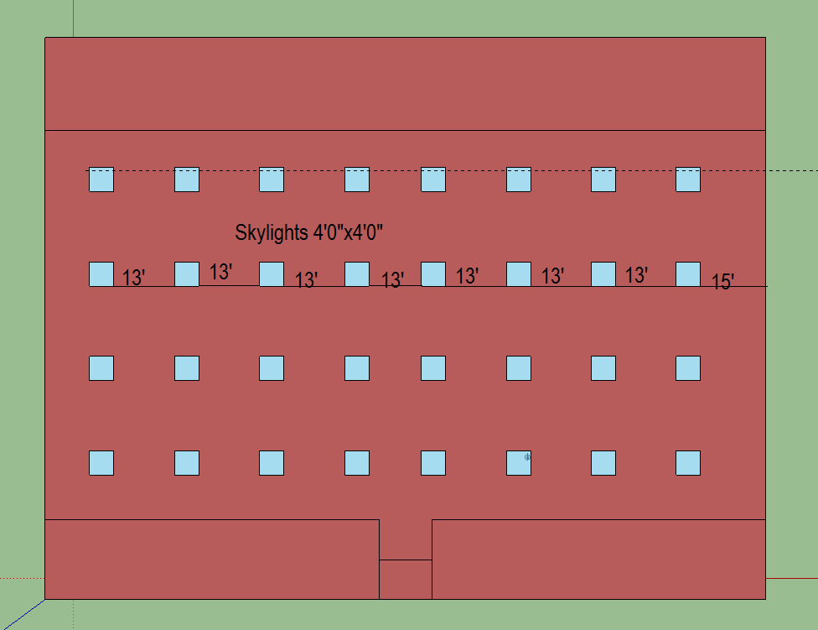
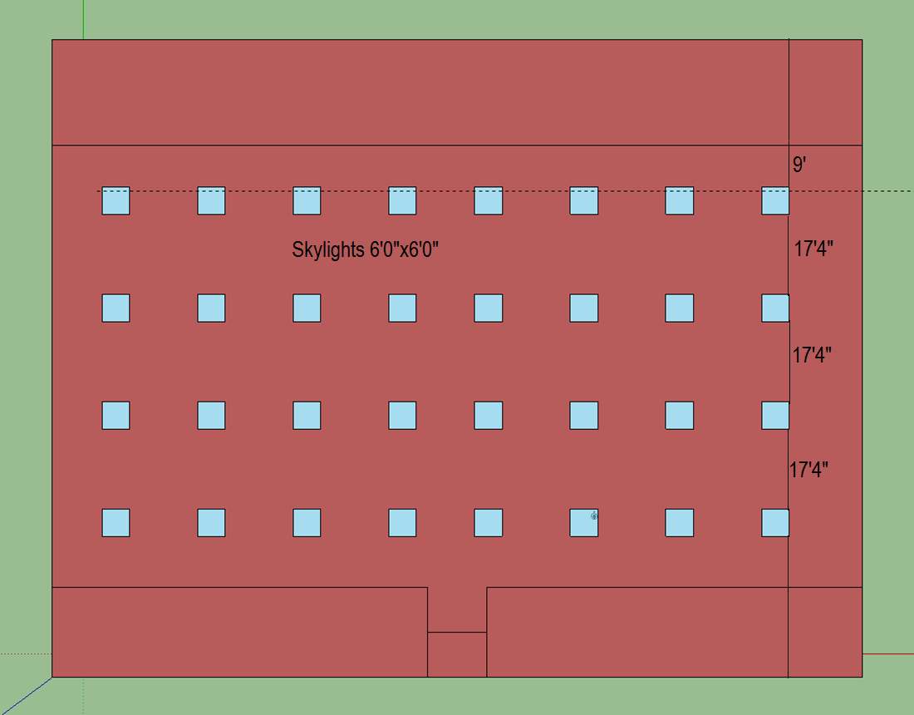

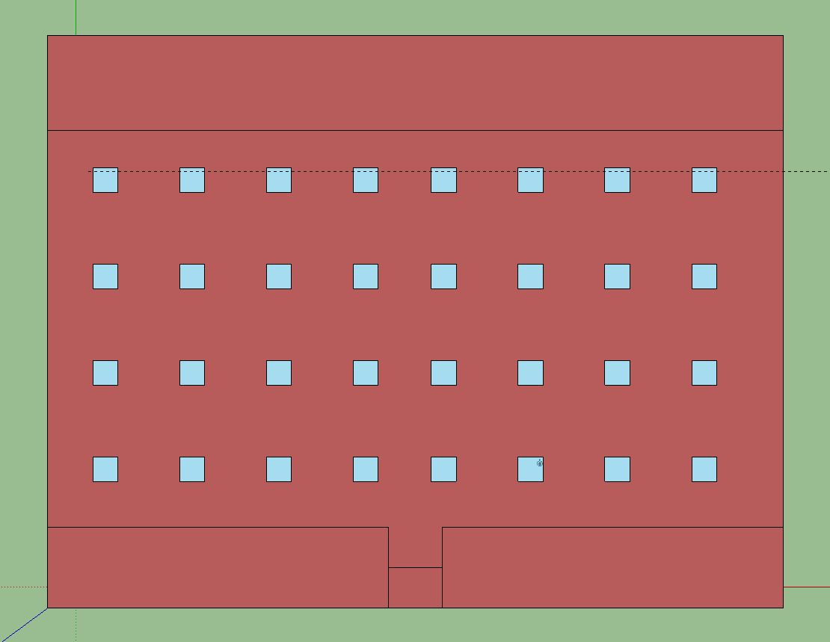

STRIP MALL
Name | Area [ft2] | Conditioned
LGSTORE1 | 3750 | Yes
SMSTORE1 | 1875 | Yes
SMSTORE2 | 1875 | Yes
SMSTORE3 | 1875 | Yes
SMSTORE4 | 1875 | Yes
LGSTORE2 | 3750 | Yes
SMSTORE5 | 1875 | Yes
SMSTORE6 | 1875 | Yes
SMSTORE7 | 1875 | Yes
SMSTORE8 | 1875 | Yes
Total | 18750
Conditioned Total | 18750
Unconditioned Total | 0

Skylight Layout

